Table for Web
Summary of CRISPR kinome screeing hits
Kinases that regulate transcription of Aqp2 gene

Gene Symbol | Annotation | Category | Kinase Effect on Aqp2 Transcription | General Reference* | Prior studies | Full General reference | Comment
Prkaca | cAMP-activated kinase, PKA catalytic subunit a | Vasopressin signaling network | positive regulation | Taylor et al., 2004. PMID: 15023366. | Prior studies have deomonstrated absolute dependence of Aqp2 gene expression on PKA [Isobe et al. 2017; PMID: 28973931] | Taylor SS, Yang J, Wu J, Haste NM, Radzio-Andzelm E, Anand G. PKA: a portrait of protein kinase dynamics. Biochim Biophys Acta. 2004 Mar 11;1697(1-2):259-69. doi: 10.1016/j.bbapap.2003.11.029. PMID: 15023366. | Prior studies have deomonstrated absolute dependence of Aqp2 gene expression on PKA [Isoble]
Prkar1a | cAMP-activated kinase inhibitor, PKA regulatory subunit, type Ia | Vasopressin signaling network | negative regulation | Taylor et al., 2004. PMID: 15023366. | Prior studies have deomonstrated absolute dependence of Aqp2 gene expression on PKA [Isobe et al. 2017; PMID: 28973931] | Taylor SS, Yang J, Wu J, Haste NM, Radzio-Andzelm E, Anand G. PKA: a portrait of protein kinase dynamics. Biochim Biophys Acta. 2004 Mar 11;1697(1-2):259-69. doi: 10.1016/j.bbapap.2003.11.029. PMID: 15023366. | Prior studies have deomonstrated absolute dependence of Aqp2 gene expression on PKA [Isoble]
Akt1 | Basophilic kinase, Protein Kinase B (PKB) | Vasopressin signaling network | positive regulation | Du &Montminy M, 1998, PMID 9829964 | The V2 receptor-selective vasopressin analog dDAVP increased the state of Akt activation (increased phosphorylation at T308 and S473) in native collecting duct (Pisitkun et al. 2008 PMID: 18667481) | Du K, Montminy M (1998). "CREB Is a Regulatory Target for the Protein Kinase Akt/PKB". J BiolChem. 273 (49): 32377–32379. doi:10.1074/jbc.273.49.32377. PMID 9829964 | The V2 receptor-selective vasopressin analog dDAVP increased the state of Akt activation (increased phosphorylation at T308 and S473) in IMCD (PMID: 18667481)
Stk11 | Catalytic subunit of liver kinase B 1 (LKB1) complex | Vasopressin signaling network | negative regulation | Alessi et al., 2006, PMID: 16756488. | No prior literature on LKB1 and Aqp2 transcription. | Alessi DR, Sakamoto K, Bayascas JR. LKB1-dependent signaling pathways. Annu Rev Biochem. 2006;75:137-63. doi: 10.1146/annurev.biochem.75.103004.142702. PMID: 16756488. | No prior literature on LKB1 and Aqp2 transcription.
Strada | LKB1 subunit (required for LKB1 activity) | Vasopressin signaling network | negative regulation | Alessi et al., 2006, PMID: 16756488. | No prior literature on LKB1 and Aqp2 transcription. | Alessi DR, Sakamoto K, Bayascas JR. LKB1-dependent signaling pathways. Annu Rev Biochem. 2006;75:137-63. doi: 10.1146/annurev.biochem.75.103004.142702. PMID: 16756488. | No prior literature on LKB1 and Aqp2 transcription.
Mark2 | Par1b, a key regulator of cell polarity | Vasopressin signaling network | positive regulation | Suzuki et al., 2004, PMID: 15324659. | Mark2 phosphorylates CRTC2 at the same sites as SIK (PMID: 20551288). Vasopessin increases phosphorylation of Mark2 (PMID: 32245905) at known PKA site Ser409 whigh inhibits its activity (PMID: 25512381). | Suzuki A, Hirata M, Kamimura K, Maniwa R, Yamanaka T, Mizuno K, Kishikawa M, Hirose H, Amano Y, Izumi N, Miwa Y, Ohno S. aPKC acts upstream of PAR-1b in both the establishment and maintenance of mammalian epithelial polarity. Curr Biol. 2004 Aug 24;14(16):1425-35. doi: 10.1016/j.cub.2004.08.021. PMID: 15324659. | Phosphorylates CRTC2 at the same sites as SIK S171-p , S275-p , S307-p (PMID: 20551288). Vasopessin increases phosphorylation of Mark2 PMID: 32245905 at known PKA site Ser409 whigh inhibits its activity PMID: 25512381
Gsk3b | Multifunctional regulator | Vasopressin signaling network | positive regulation | Force &Woodgett, 2009, PMID: 19064989. | A. Gsk3b phosphorylates cyclin D on Thr-286, triggering degradation and inhibiting cell cycle progression. (PMID: 9832503) B. Gsk3b phosphorylates CREB1 at Ser129 only after PKA-mediated phosphorlation at Ser133 and is important in transcriptional activation (PMID: 7798217 and 9521699). C. Lithium inhibits GSK3b (PMID: 8710892) thereby reversing these effects providing explanation for loss of AQP2 transcription. | Force T, Woodgett JR. Unique and overlapping functions of GSK-3 isoforms in cell differentiation and proliferation and cardiovascular development. J Biol Chem. 2009 Apr 10;284(15):9643-7. doi: 10.1074/jbc.R800077200. Epub 2008 Dec 8. PMID: 19064989; | A. Phosphorylates cyclin D on Thr-286, triggering degradation and inhibiting cell cycle progression. PMID: 9832503 B. Phosphorylates CREB1 at Ser129 only after PKA-mediated phosphorlation at Ser133 and is important in transcriptional activation (PMID: 7798217 and 9521699). C. Lithium inhibits GSK3b PMID: 8710892 thereby reversing these effects providing explanation for loss of AQP2 transcription.
Tgfbr1 | Subunit of TGF-β receptor complex | Epithelial-to-mesenchymal transition | negative regulation | Massagué, 1998 , PMID: 9759503. | TGF-β was previously implicated as a negative regulator of Aqp2 transcription in the context of the vasopressin-escape phenomenon seen in dilutional hyponatremia (PMID: 28843412). | Massagué J. TGF-beta signal transduction. Annu Rev Biochem. 1998;67:753-91. doi: 10.1146/annurev.biochem.67.1.753. PMID: 9759503 | TGF-β was previously implicated as a negative regulator of Aqp2 transcription in the context of the vasopressin-escape phenomenon seen in dilutional hyponatremia (PMID: 28843412).
Tgfbr2 | Subunit of TGF-β receptor complex | Epithelial-to-mesenchymal transition | negative regulation | Massagué, 1998 , PMID: 9759503. | TGF-β was previous implicated as a negative regulator of Aqp2 transcription in the context of the vasopressin-escape phenomenon seen in dilutional hyponatremia (PMID: 28843412). | Massagué J. TGF-beta signal transduction. Annu Rev Biochem. 1998;67:753-91. doi: 10.1146/annurev.biochem.67.1.753. PMID: 9759503 | TGF-β was previous implicated as a negative regulator of Aqp2 transcription in the context of the vasopressin-escape phenomenon seen in dilutional hyponatremia (PMID: 28843412).
...
* Full References:
13. Fuchs SY, Adler V, Pincus MR, Ronai Z. MEKK1/JNK signaling stabilizes and activates p53. Proc Natl Acad Sci U S A. 1998 Sep 1;95(18):10541-6.
14. Dérijard B, Raingeaud J, Barrett T, Wu IH, Han J, Ulevitch RJ, Davis RJ. Independent human MAP-kinase signal transduction pathways defined by MEK and MKK isoforms. Science. 1995 Feb 3;267(5198):682-5.
15. Huang CL, Cha SK, Wang HR, Xie J, Cobb MH. WNKs: protein kinases with a unique kinase domain. Exp Mol Med. 2007 Oct 31;39(5):565-73.
16. Chen W, Yazicioglu M, Cobb MH. Characterization of OSR1, a member of the mammalian Ste20p/germinal center kinase subfamily. J Biol Chem. 2004 Mar 19;279(12):11129-36.
17. Mukaida N, Wang YY, Li YY. Roles of Pim-3, a novel survival kinase, in tumorigenesis. Cancer Sci. 2011 Aug;102(8):1437-42.
18. Liu C, Li Y, Semenov M, Han C, Baeg GH, Tan Y, Zhang Z, Lin X, He X. Control of beta-catenin phosphorylation/degradation by a dual-kinase mechanism. Cell. 2002 Mar 22;108(6):837-47. PMID: 11955436.
19. Durzynska I, Xu X, Adelmant G, Ficarro SB, Marto JA, Sliz P, Uljon S, Blacklow SC. STK40 Is a Pseudokinase that Binds the E3 Ubiquitin Ligase COP1. Structure. 2017 Feb 7;25(2):287-294.
20. Kiss-Toth E. Tribbles: 'puzzling' regulators of cell signalling. Biochem Soc Trans. 2011 Apr;39(2):684-7.
21. Shibata S, Ishizawa K, Wang Q, Xu N, Fujita T, Uchida S, Lifton RP. ULK1 Phosphorylates and Regulates Mineralocorticoid Receptor. Cell Rep. 2018 Jul 17;24(3):569-576. PMID: 30021155.

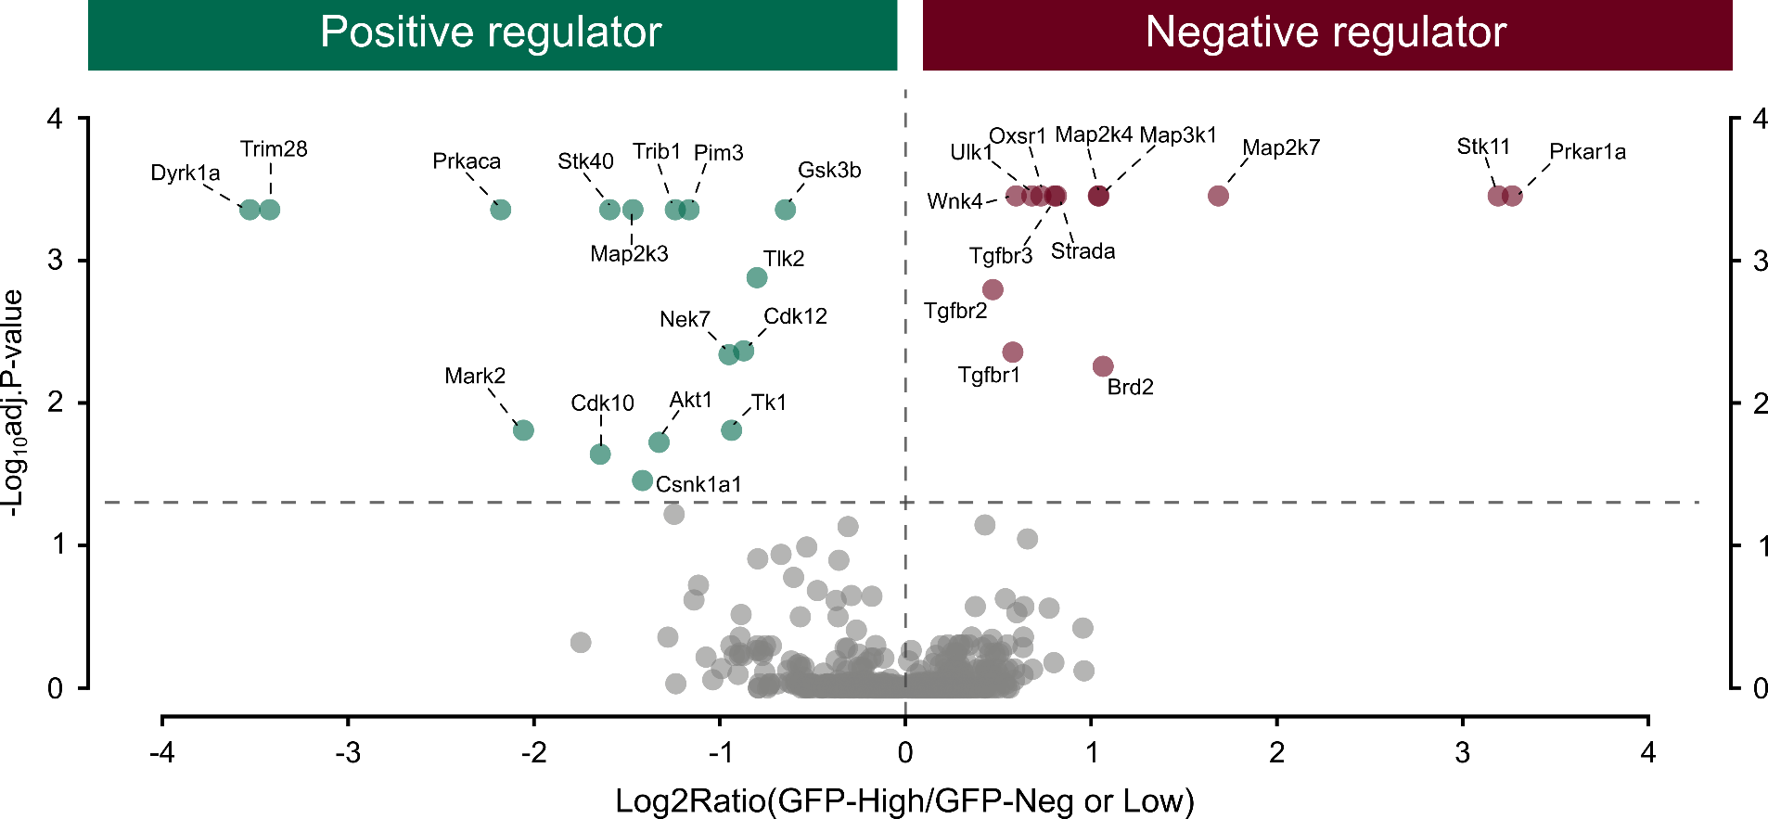

 | Shibata et al., 2018, PMID: 30021155.

